smokesanity_testing_suite
SMOKE/SANITY TEST SUITE FOR E-COMMERCE WEB APPLICATION SUBSCRIPTION HOME PAGE FUNCTIONALITY
Sl. No. | Test Case ID | Objective | Pre-Requisite | Steps | Data | Expected Result | Actual Result | Proof | Status
1 | Smoke_001 | To verify and validate that user is able to open the URL on browser (Chrome, Firefox, Edge) | Browser installed | 1. Open Chrome, Firefox, or Edge 2. Enter the URL in the address bar (https://automationexercise.com) 3. Press Enter | https://www.automationexercise.com/ | Site should load successfully without errors | working as expected | 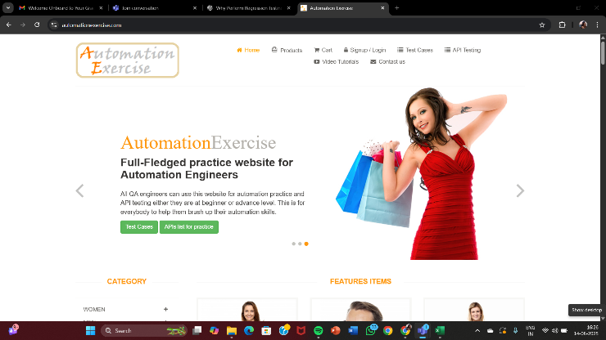 | pass
2 | Smoke_002 | To verify and validate below navigation link – Cart | Site loaded | 1. Open the application in any browser 2. Click on the Cart link in the header | https://www.automationexercise.com/view_cart | Cart page should load successfully | working as expected | 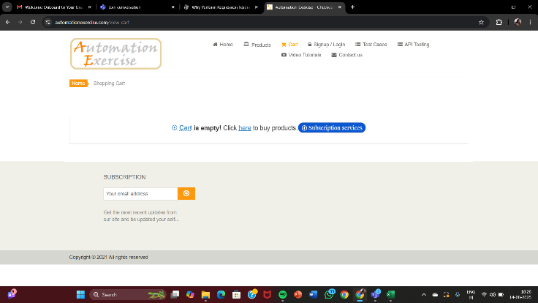 | pass
3 | Smoke_003 | To verify and validate below navigation link – Signup / Login | Site loaded | 1. Open the application 2. Click on the Signup / Login link in the header | https://www.automationexercise.com/login | Signup/Login page should load successfully | working as expected | 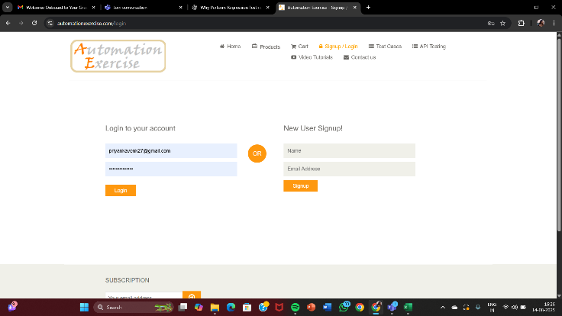 | pass
4 | Smoke_004 | To verify and validate below navigation link – Test Cases | Site loaded | 1. Open the application 2. Click on the Test Cases link in the header | https://www.automationexercise.com/test_cases | Test Cases page should load successfully | working as expected | 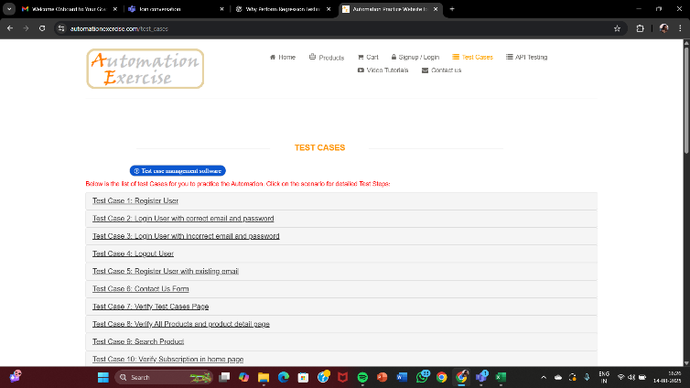 | pass
5 | Smoke_005 | To verify and validate below navigation link – API Testing | Site loaded | 1. Open the application 2. Click on the API Testing link in the header | https://www.automationexercise.com/api_list | API Testing page should load successfully | working as expected | 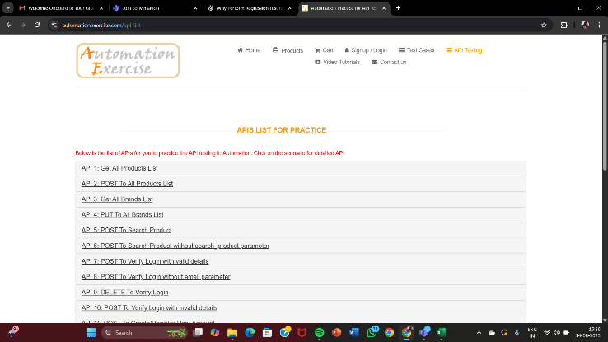 | pass
6 | Smoke_006 | To verify and validate below navigation link – Video Tutorials | Site loaded | 1. Open the application 2. Click on the Video Tutorials link in the header | https://www.youtube.com/c/AutomationExercise | YouTube video/channel should open successfully | working as expected | 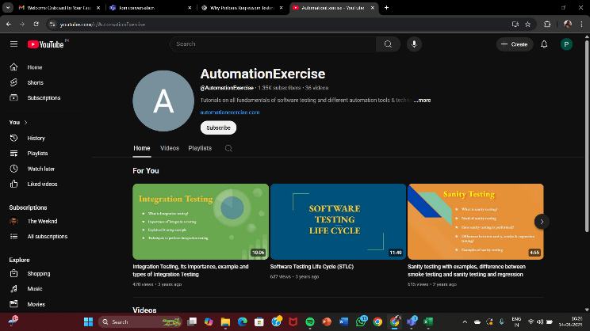 | pass
7 | Smoke_007 | To verify and validate below navigation link – Contact Us | Site loaded | 1. Open the application 2. Click on the Contact Us link in the header | contact us icon | Contact Us page should load successfully | working as expected | 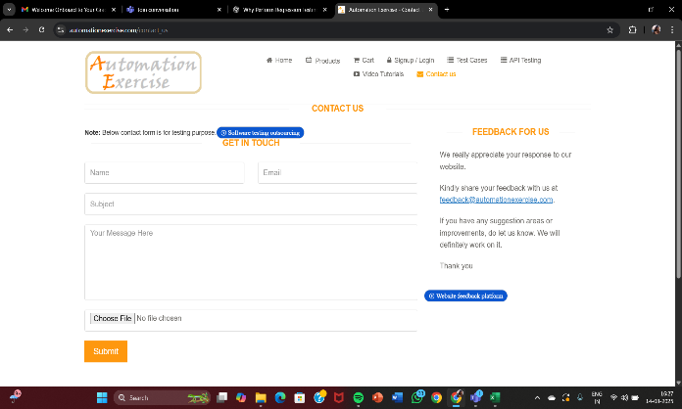 | pass
8 | Smoke_008 | To verify and validate that product display | Site loaded | 1. Open the application 2. Scroll down to product section | scroll bar/arrow | Products should be displayed with name, price, and image | working as expected | 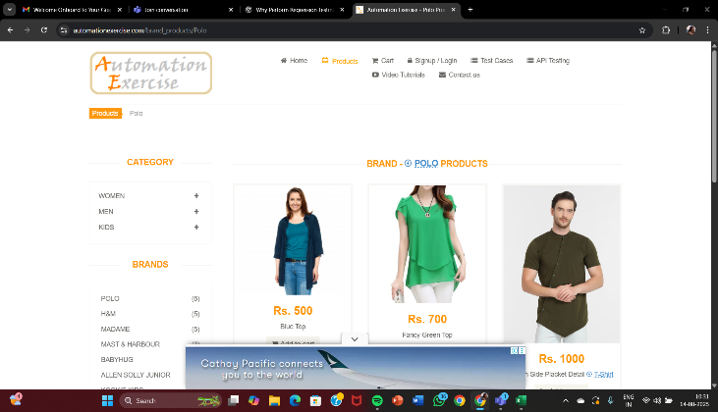 | pass
9 | Smoke_009 | To verify and validate the Cart page reflect the added item (Update and Remove) | Site loaded | 1. Open the application 2. Add any product to cart 3. Go to Cart page 4. Update or remove product | product selected | Added product should appear in cart; update/remove works | working as expected | 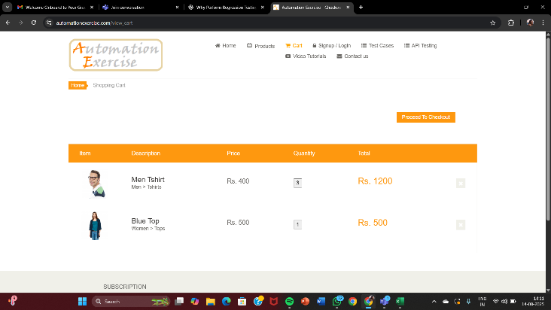 | pass
10 | Smoke_010 | To verify and validate the Signup and Login forms load and validation appears | Site loaded | 1. Open the application 2. Navigate to Signup / Login page 3. Submit invalid data | Invalid email/password | Relevant validation messages should be displayed | working as expected | 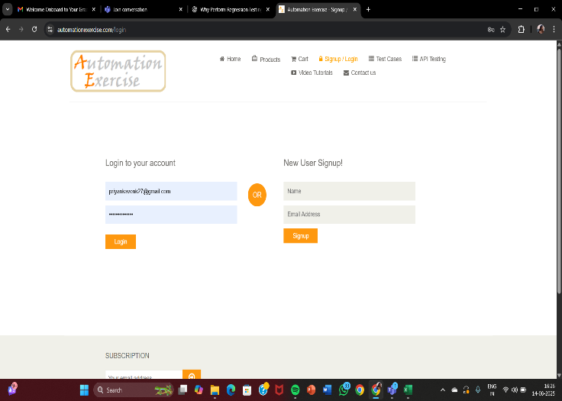 | pass
11 | Smoke_011 | To verify and validate API page return valid response | Site loaded | 1. Open the application 2. Navigate to API Testing page 3. Trigger example API request | API description list | Valid JSON/XML , code and method response should be displayed | working as expected | 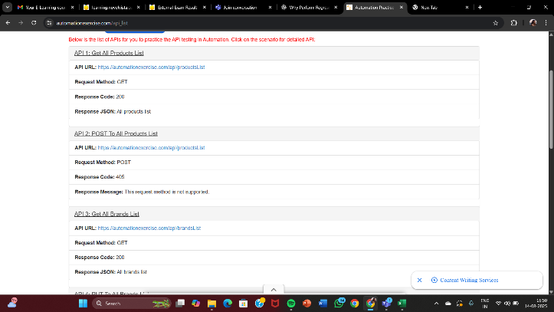 | pass
12 | Smoke_012 | To verify and validate Video Tutorials opens YouTube successfully | Site loaded | 1. Open the application 2. Click on Video Tutorials link | video tutorials icon | YouTube should open successfully | working as expected |  | pass
13 | Smoke_013 | To verify and validate Subscription | Site loaded | 1. Open the application 2. Scroll to footer 3. Enter email and click Subscribe | Valid email:abc@gmail.com | Success message should be displayed | working as expected | 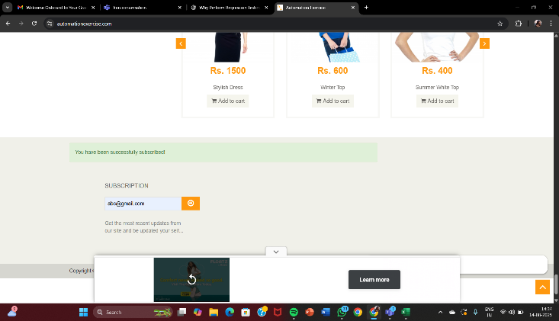 | pass
14 | Smoke_014 | To verify and validate site behaviour | Site loaded | 1. Open the application 2. Navigate between different pages | navigation links/icons | No broken links, errors, or crashes should occur | working as expected |  | pass
15 | Smoke_015 | To verify and validate Contact Us form is functional | Site loaded | 1. Open the application 2. Navigate to Contact Us page 3. Fill the form and submit | Name:priya, email:abc@gmail.com, subject:enquiry message: the product stock status | Success message should be displayed; form should be submitted | working as expected | 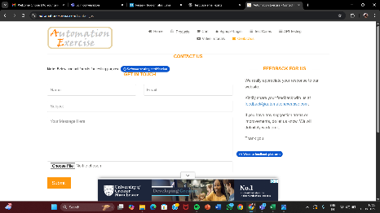 | pass

